SHMU - Slovak
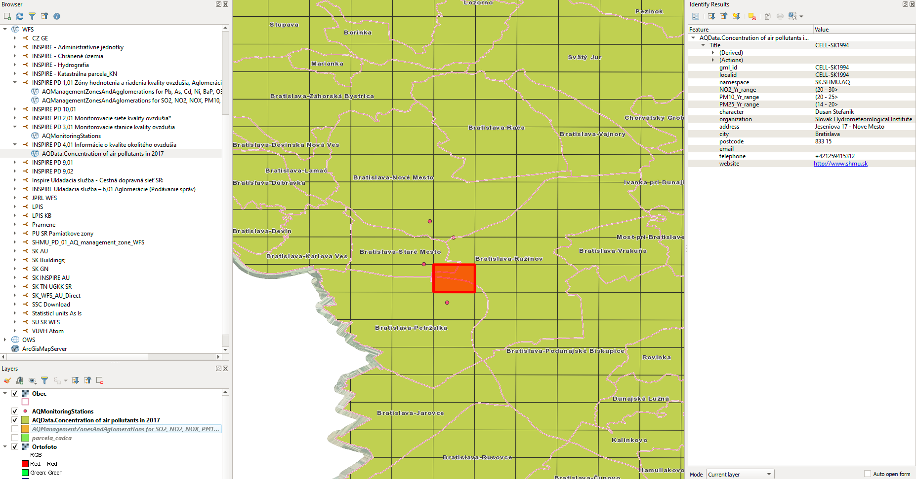
Klimaticke data - SHMU |  | Ukazky

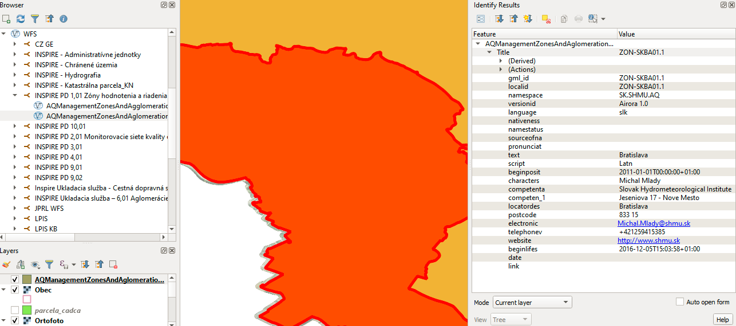
Výbez z INSPIRE prioritných datasetov:
 |  | Ukazka atributov vrstvy: AQManagementZonesAndAglomerations for SO2, NO2, NOX, PM10, PM25, Benzene and CO
Usmernenie pre prístup k INSPIRE ukladacim sluzbam:

http://inspire.gov.sk/implementacia/vyuvanie-a-prklady-implementacie-inspire/vyuvanie-ukladacch-sluieb

INSPIRE PD 1,01 Zóny hodnotenia a riadenia kvality ovzdušia, Aglomerácie hodnotenia a riadenia kvality ovzdušia. Ukladacia služba:

Metadata: https://rpi.gov.sk/client/map/detail/?rid=https://data.gov.sk/set/rpi/gmd/42181810/4E88A0888B2C5F25E0530210000A63DC

Data cez INSPIRE ukladaciu sluzbu: https://geo.shmu.sk/geoserver/AM/ows?request=GetCapabilities&service=WFS&AcceptVersions=2.0.0

INSPIRE PD 2,01 Monitorovacie siete kvality ovzdušia

Metadata: https://rpi.gov.sk/client/map/detail/?rid=https://data.gov.sk/set/rpi/gmd/42181810/4E88A0888B2C5F25E0530210000A63DC

Data cez INSPIRE ukladaciu sluzbu: https://geo.shmu.sk/geoserver/EF.AQNetworks/ows?request=GetCapabilities&service=WFS&AcceptVersions=2.0.0

INSPIRE PD 3,01 Monitorovacie stanice kvality ovzdušia

Metadata: https://rpi.gov.sk/client/map/detail/?rid=https://data.gov.sk/set/rpi/gmd/42181810/4E93C2A5AEDB5B19E0530110000ACE34

Data cez INSPIRE ukladaciu sluzbu: https://geo.shmu.sk/geoserver/EF.AQStations/ows?request=GetCapabilities&service=WFS&AcceptVersions=2.0.0 |  | Ukazka atributov vrstvy: AQMonitoringNetworks.Urban And Local Air Monitoring Network
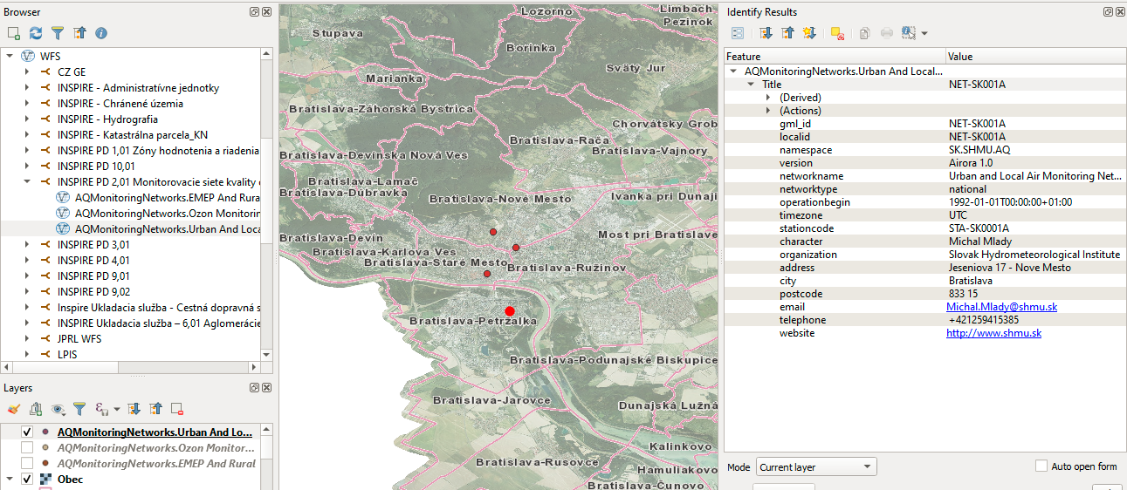

INSPIRE PD 4,01 Informácie o kvalite okolitého ovzdušia

Metadata: https://rpi.gov.sk/client/map/detail/?rid=https://data.gov.sk/set/rpi/gmd/42181810/4E93C2A5AEDF5B19E0530110000ACE34

Data cez INSPIRE ukladaciu sluzbu: https://geo.shmu.sk/geoserver/EF.AQData/ows?AcceptVersions=2.0.0

ZDROJ: | https://gitlab.com/mzpsr/mzpsr/podpora-inspire-implement-cie/ostatn-t-my/vyuzitie-geozdrojov/-/issues/2

Request other data at | https://forms.office.com/Pages/ResponsePage.aspx?id=TtPn3nZ9tEiEjjJZhhD6JrAEtIEMe_dOt7RrBgQawQVUQVdCWUJJNFhJVlRMOVpPWkc3S0xHOUZHNS4u
1. METEO file - is the relative humidity from two stations (Jeséniova, Mamateyova).
2. BA file - contains air quality parameters from four KO stations in Bratislava.
Hourly measurements for 2 years between 1.1.2017 and 1.1.2019 |  | Ukazka atributov vrstvy: AQMonitoringNetworks.Ozon Monitoring Network
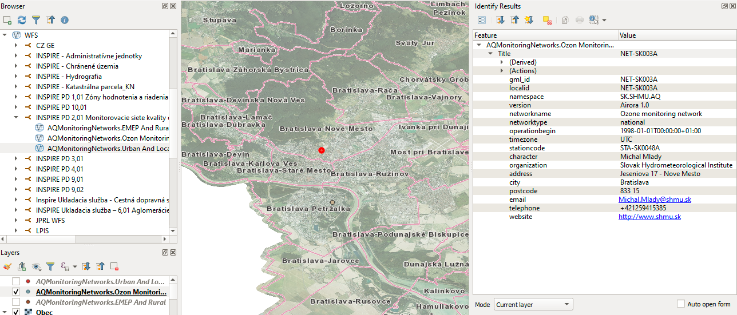

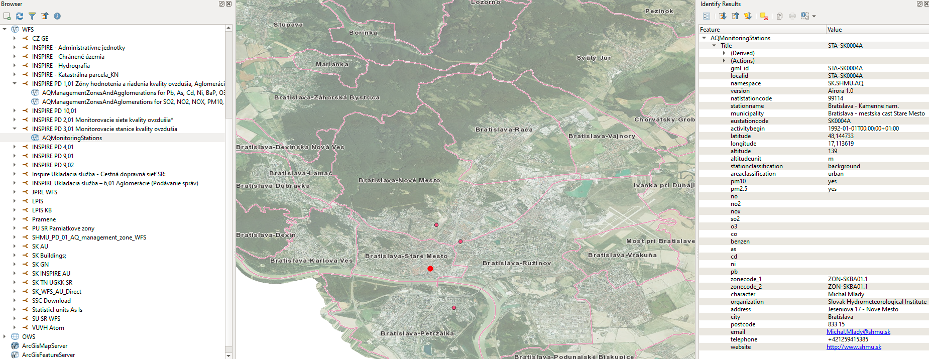
 |  | Ukazka atributov vrstvy: AQMonitoringStations

 |  | Ukazka atributov vrstvy: AQData.Concentration of air pollutants in 2017

